Other Houses
Version 1
Update to Apr 26 2018
NTD mln |  | 2018 |  |  |  |  |  |  |  |  |  |  |  |  |  |  |  | 2019 |  |  |  |  |  |  |  |  |  |  |  |  |  |  |  | 2020 |  |  |  |  |  |  |  |  |  |  |  |  |  |  | 2021
 |  | DBS (Bank Case) |  | Credit Suisse |  | Morgan Stanley |  | Macquarie |  | Deutsche Bank |  | HSBC |  |  |  |  |  | DBS (Bank Case) |  | Credit Suisse |  | Morgan Stanley |  | Macquarie |  | Deutsche Bank |  | HSBC |  |  |  |  |  | DBS (Bank Case) |  | Credit Suisse |  | Morgan Stanley |  | Macquarie |  | Deutsche Bank | HSBC |  |  |  |  |  | DBS (Bank Case) |  | Credit Suisse | Morgan Stanley | Macquarie | Deutsche Bank | HSBC
Revenue |  | 4,897,481 |  | 4,984,736 |  | 4,622,828 |  | 5,513,808 |  | 4,995,847 |  | 4,675,195 |  |  |  |  |  | 4,926,106 |  | 5,156,662 |  | 5,008,366 |  | 6,079,518 |  | 5,196,138 |  | 4,811,018 |  |  |  |  |  | 5,014,256 |  |  |  | 5,180,359 |  | 7,057,471 |  |  |  |  |  |  |  |  | 5,101,613
Gross Profit | Gross Profit Margin | 348,093 | 7.11% | 335,248 | 6.73% | 347,923 | 7.53% | 421,173 | 7.64% | 395,253 | 7.91% | 329,650 | 7.05% |  |  |  |  | 324,221 | 6.58% | 359,825 | 6.98% | 388,239 | 7.75% | 493,838 | 8.12% | 414,469 | 7.98% | 352,795 | 7.33% |  |  |  |  | 306,571 | 6.11% |  |  | 407,123 | 7.86% | 597,189 | 8.46% |  |  |  |  |  |  |  | 303,305 | 5.95%
Operating Profit | Operating Profit Margin | 152,194 | 3.11% | 166,681 | 3.34% | 175,167 | 3.79% | 271,963 | 4.93% | 134,306 | 2.69% | 169,873 | 3.63% |  |  |  |  | 127,177 | 2.58% | 185,978 | 3.61% | 209,637 | 4.19% | 312,652 | 5.14% | 145,986 | 2.81% | 198,770 | 4.13% |  |  |  |  | 124,483 | 2.48% |  |  | 225,672 | 4.36% | 406,638 | 5.76% |  |  |  |  |  |  |  | 118,044 | 2.31%
Net Income | Net Margin | 143,345 | 2.93% | 147,166 | 2.95% | 138,306 | 2.99% | 231,328 | 4.20% | 131,321 | 2.63% | 143,062 | 3.06% |  |  |  |  | 123,069 | 2.50% | 157,093 | 3.05% | 161,958 | 3.23% | 265,467 | 4.37% | 141,327 | 2.72% | 167,331 | 3.48% |  |  |  |  | 121,846 | 2.43% |  |  | 173,686 | 3.35% | 346,475 | 4.91% |  |  |  |  |  |  |  | 121,380 | 2.38%
EBITDA | EBITDA Margin | 210,592 | 4.30% | 227,400 | 4.56% | 234,000 | 5.06% | 328,525 | 5.96% | 199,104 | 3.99% | 232,434 | 4.97% |  |  |  |  | 211,823 | 4.30% | 252,800 | 4.90% | 266,000 | 5.31% | 382,825 | 6.30% | 216,358 | 4.16% | 267,246 | 5.55% |  |  |  |  | 234,095 | 4.67% |  |  | 282000 | 5.44% | 487,898 | 6.91% |  |  |  |  |  |  |  | 238,173 | 4.67%
CAPEX |  | 148,355 |  | 60,000 |  | 59,308 |  | 130,000 |  | 58,000 |  | 60,000 |  |  |  |  |  | 177,969 |  | 60,000 |  | 64255 |  | 130,000 |  | 59000 |  | 60,000 |  |  |  |  |  | 149,799 |  |  |  | 66461 |  | 130,000 |  |  |  |  |  |  |  |  | 63,100

Gross Margin
Version 2
Update to Jul 25 2018
NTD mln |  | 2018 |  |  |  |  |  |  |  |  |  |  |  |  |  |  |  | 2019 |  |  |  |  |  |  |  |  |  |  |  |  |  |  |  | 2020 |  |  |  |  |  |  |  |  |  |  |  |  |  |  | 2021
 |  | DBS (Bank Case) |  | Credit Suisse |  | Morgan Stanley |  | Macquarie |  | Deutsche Bank |  | HSBC |  | UBS |  | Nomura |  | DBS (Bank Case) |  | Credit Suisse |  | Morgan Stanley |  | Macquarie |  | Deutsche Bank |  | HSBC |  | UBS |  | Nomura |  | DBS (Bank Case) |  | Credit Suisse |  | Morgan Stanley |  | Macquarie |  | Deutsche Bank | HSBC |  | UBS |  | Nomura |  | DBS (Bank Case) |  | Credit Suisse | Morgan Stanley | Macquarie | Deutsche Bank | HSBC | UBS |  | Nomura
Revenue |  | 4,863,660 |  | 4,951,887 |  | 4,820,472 |  | 5,513,808 |  |  |  | 4,684,665 |  | 4,568,884 |  | 4,739,442 |  | 4,965,984 |  | 5,095,956 |  | 5,071,793 |  | 6,079,518 |  |  |  | 4,806,531 |  | 4,744,019 |  | 4,754,345 |  | 5,068,521 |  | 5,377,559 |  |  |  | 7,057,471 |  |  | 4,958,768 |  | 4,838,899 |  | 4,789,002 |  | 5,173,872 |  |  |  |  |  |  | 4,984,066
Gross Profit | Gross Profit Margin | 315,560 | 6.49% | 327,662 | 6.62% | 348,730 | 7.23% | 421,173 | 7.64% |  |  |  |  | 296,651 | 6.49% | 298,705 | 6.30% | 291,254 | 5.86% | 341,743 |  | 392,948 | 7.75% | 493,838 | 8.12% |  |  |  |  | 316,861 | 6.68% | 313,963 | 6.60% | 304,847 | 6.01% | 367,473 | 6.83% |  |  | 597,189 | 8.46% |  |  |  | 329,045 | 6.80% | 318,707 | 6.65% | 303,195 | 5.86% |  |  |  |  |  | 341,907 | 6.86%
Operating Profit | Operating Profit Margin | 121,014 | 2.49% | 156,386 | 3.16% | 171,106 | 3.55% | 271,963 | 4.93% |  |  | 168,889 | 3.61% | 128,936 | 2.82% | 132,588 | 2.80% | 92,615 | 1.86% | 163,459 |  | 208,697 | 4.11% | 312,652 | 5.14% |  |  | 198,658 | 4.13% | 141,214 | 2.98% | 150,262 | 3.16% | 120,788 | 2.38% | 186,777 | 3.47% |  |  | 406,638 | 5.76% |  | 206,535 | 4.17% | 149,764 | 3.10% | 157,158 | 3.28% | 115,311 | 2.23% |  |  |  |  |  | 158,992 | 3.19%
Net Income | Net Margin | 100,346 | 2.06% | 137,324 | 2.77% | 136,912 | 2.84% | 231,328 | 4.20% |  |  | 141,551 | 3.02% | 123,883 | 2.71% | 127,440 | 2.69% | 75,103 | 1.51% | 141,870 |  | 161,958 | 3.19% | 265,467 | 4.37% |  |  | 165,571 | 3.44% | 126,631 | 2.67% | 140,173 | 2.95% | 97,929 | 1.93% | 161,336 | 3.00% |  |  | 346,475 | 4.91% |  | 177,643 | 3.58% | 133,627 | 2.76% | 152,404 | 3.18% | 94,619 | 1.83% |  |  |  |  |  | 141,095 | 2.83%
EBITDA | EBITDA Margin | 179,955 | 3.70% | 213,825 | 4.32% | 230,000 | 4.77% | 328,525 | 5.96% |  |  | 233,514 | 4.98% | 206,607 | 4.52% | 190,601 | 4.02% | 183,741 | 3.70% | 230,207 |  | 266,000 | 5.24% | 382,825 | 6.30% |  |  | 269,950 | 5.62% | 221,862 | 4.68% | 205,438 | 4.32% | 241,697 | 4.77% | 253,441 | 4.71% |  |  | 487,898 | 6.91% |  | 284,138 | 5.73% | 232,025 | 4.79% | 209,638 | 4.38% | 246,721 | 4.77% |  |  |  |  |  | 243,721 | 4.89%
CAPEX |  | 158,706 |  | 68,000 |  |  |  | 130,000 |  |  |  | 60,000 |  | 59,395 |  | 50,390 |  | 202,505 |  | 70,000 |  |  |  | 130,000 |  |  |  | 60,000 |  | 61,672 |  | 50,390 |  | 178,693 |  | 65,000 |  |  |  | 130,000 |  |  | 60,000 |  | 58,067 |  | 50,390 |  | 63,008 |  |  |  |  |  |  | 59,809

 | Issue Date
Broker | Version 1 | Version 2
DBS | Apr 18 2018 | Jul 25 2018
CS | Apr 1 2018 | Jun 25 2018
MS | Apr 2 2018 | Jun 22 2018
Macquarie | Apr 2 2018 | Jun 8 2018
DB | Apr 1 2018
Operating Margin
HSBC | Apr 3 2018 | May 28 2018
UBS |  | Jun 4 2018
Nomura |  | May 14 2018

Global TV
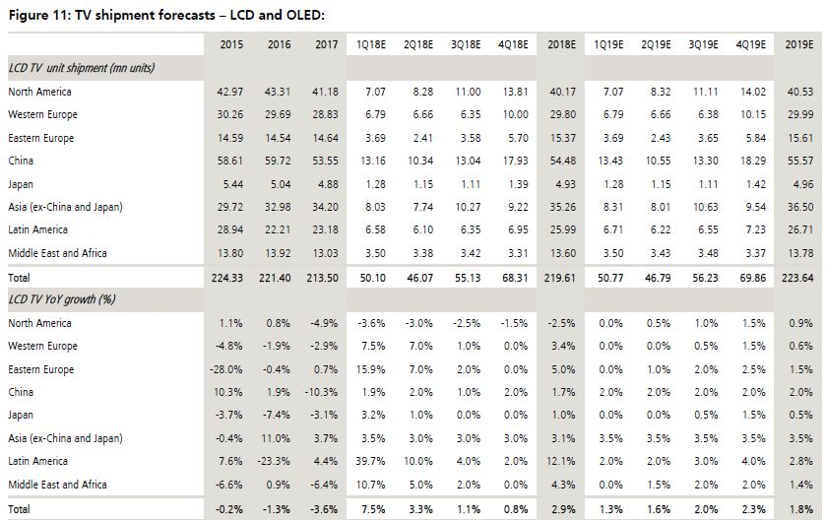
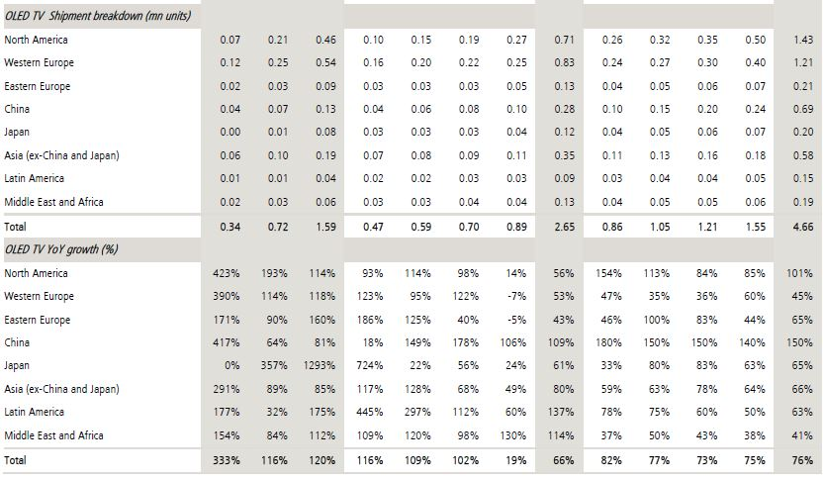
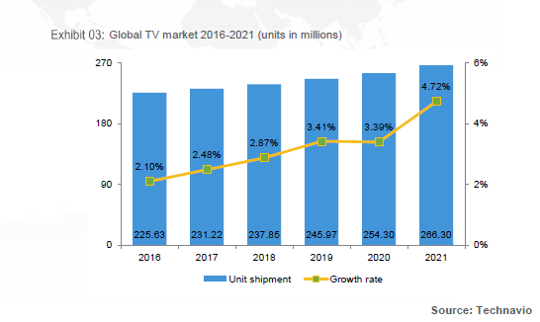
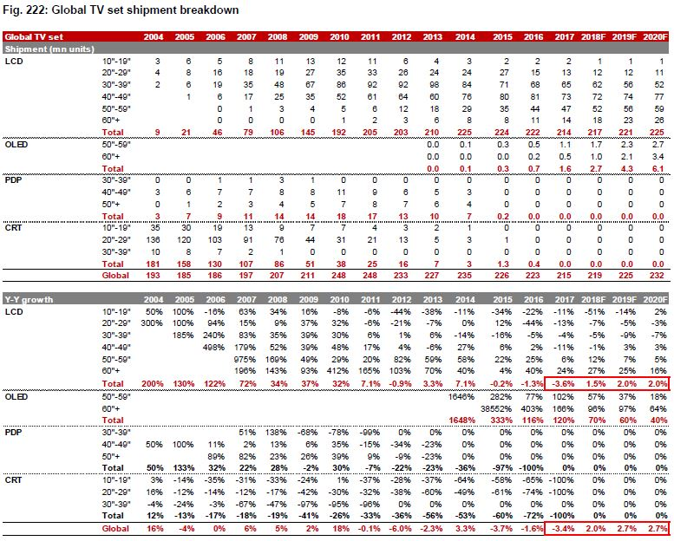
Technavio (Apr 2018)
Global TV | 2017 | 2018 | 2019 | 2020 | 2021
Unit | 231.22 | 237.85 | 245.97 | 254.3 | 266.3
Growth Rate |  | 2.9% | 3.4% | 3.4% | 4.7%

Nomura (Jun 26 2018)
Global TV | 2017 | 2018 | 2019 | 2020
Unit | 215 | 219 | 225 | 232
Growth Rate |  | 1.9% | 2.7% | 3.1%

UBS (Jun 14 2018)
 | 2017 | 2018 | 2019
LCD TV Unit | 213.5 | 219.61 | 223.64
OLED TV Unit | 1.59 | 2.65 | 4.66
Total Unit | 215.09 | 222.26 | 228.3
Growth Rate |  | 3.3% | 2.7%

 | 2017 | 2018 | 2019 | 2020 | 2021
Average Growth |  | 2.7% | 3.0% | 3.2% | 4.7%

